League History
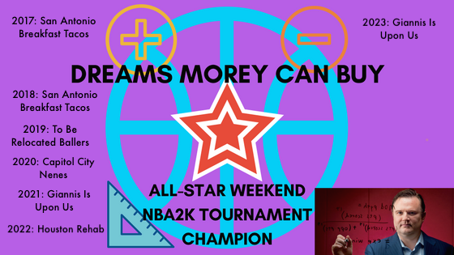
DMCB Winners | 2015-16 Season | 2016-17 Season | 2017-18 Season | 2018-19 Season | 2019-20 Season | 2020-21 Season | 2021-22 Season | 2022-23 Season | 2023-24 Season | Championship Team Photos | 2k Tournament Champion Banner
In-Season Tournament | N/A | N/A | N/A | N/A | N/A | N/A | N/A | N/A
2K Tournament | N/A | San Antonio Breakfast Tacos | San Antonio Breakfast Tacos | To Be Relocated Later Ballers | Capitol City Nenes | Giannis Is Upon Us | Houston Rehab | Giannis Is Upon Us
Regular Season | Dirk's Daggers | Unmentionably Fresh | Flat Earthers | Dirk's Daggers | Capitol City Nenes | Giannis Is Upon Us | Giannis Is Upon Us | Austin Rivers(ide)
Playoff Finalist | To Be Relocated Later Ballers | Subway's Kids Club | Flat Earthers | Austin Rivers(ide) | DNP (COVID-19) | Renaissancess Upgrayedd | Giannis Is Upon Us | The Monstars
"The Toby" Winner | Dirk's Daggers | Houston Rehab | Dirk's Daggers | San Antonio Breakfast Tacos | DNP (COVID-19) | Giannis Is Upon Us | Dirk's Daggers | Dirk's Daggers
2k Tourney MVP | N/A | James Harden | James Harden | Nikola Jokic | Anthony Davis | Giannis Antetokounmpo | Jarrett Allen | Giannis Antetokounmpo
Season MVP | Steph Curry | Russell Westbrook | James Harden | James Harden | Giannis Antetokounmpo | Nikola Jokic | Nikola Jokic | Giannis Antetokounmpo
Finals MVP | Andre Drummond | Devin Booker | LaMarcus Aldridge | James Harden | DNP (COVID-19) | Steph Curry | Luka Doncic | Luka Doncic
GM of the Year | David | B-Har | (vacated) | Andrew | Donald J. Trump | B-Har | Robert

All-Time Table |  |  |  |  |  | Defunct Franchise
Owner | Team | Playoffs | 2k Tournament Winner | Regular Season Champ | Playoff Finalist | Finals Champion
Andrew | San Antonio Breakfast Tacos | 5 (2017-21) | 2 (2017, 18) |  |  | 1 (2019)
B-Har | Giannis Is Upon Us; Flat Earthers; Unmentionably Fresh; Cellar Dwellers | 7 (2017-23) | 2 (2021, 23) | 4 (2017-18, 21-22) | 2 (2018, 22) | 1 (2021)
BJ | Houston Rehab | 5 (2016-18, 22-23) | 1 (2022) |  |  | 1 (2017)
Brandon | To Be Relocated Later Jokers; To Be Relocated Later Ballers | 5 (2016, 19, 21-23) | 1 (2019) |  | 1 (2016)
Brian | Jr's Justice League; Notorious Durant Durant; Gettin Buckets; Where is the Justise | 2 (2017, 22)
Caleb | Duce Supremo | 0
Colin | Fertitty's HR; Re Trilling; Trill Trills | 3 (2016, 21-22)
Corey | Subway's Kids Club | 3 (2016-17, 19) |  |  | 1 (2017)
David | Dirk's Daggers | 8 (2016-23) |  | 2 (2016, 19) |  | 4 (2016, 18, 22-23)
Efrain | River City Bling Bling | 1 (2018)
HiL | Step Back Floater; Go Harden the Paint | 0
John | Liberty City Penetrators; Paetow Panthers; Richard Jefferson Has a Ring; Matt Millen's 2nd Chance | 1 (2016)
Kyle | Capitol City Nenes | 3 (2019-20, 22) | 1 (2020) | 1 (2020)
Rizzy | Austin Rivers(ide); Rizzy More Shaw Than Brian; Cory More Austin than Rivers | 8 (2016-23) |  | 1 (2023) | 1 (2019)
Sam | More Like Borlando; Magic Tanks; Parabola Lob Bamba; Beastern Wall-Stars; Burks And Dunn; Great Wall of Chinatown | 5 (2016-20)
Stein | Fuck It, We Ball; Hold My Stein !; Renaissancess Maxeymus; Renaissancess Upgrayedd; Renaissancess A.Z.; Renaissancess B.Z.; Brawndo +/-; Rex Chapman's Discount Emporium; Rowdy Ronnie Baker's | 3 (2018, 21, 23) |  |  | 1 (2021)
Will | League Average; Subway's Kids Club | 2 (2020, 23)
Zack | The Monstars; ToonSquad Monstars | 3 (2020-21, 23) |  |  | 1 (2023)

Playoff Brackets | Quarterfinals | Semifinals | Finals
2015-16 | 2016-17 | 2017-18 | 2018-19 | 2019-20 | 2020-21 | 2021-22 | 2022-23 | 2023-24
(1) Dirk's Daggers 3, (8) Houston Rehab 0 | (8) Houston Rehab 3, (1) Unmentionably Fresh 2 | (1) Flat Earthers 3, (8) Houston Rehab 1 | (1) Dirk's Daggers 3, (8) Subway's Kids Club 0 | (1) Capitol City Nenes 3, (8) Subway's Kids Club 0 | (1) Giannis is Upon Us 3; (8) To Be Relocated Later Ballers 0 | (1) Giannis is Upon Us 3; (8) Notorious Durant Durant 0 | (1) Austin Rivers(ide) 3; (8) Houston Rehab 1
(2) Cory More Austin than Rivers 3, (7) Richard Jefferson Has a Ring 0 | (2) Rizzy More Shaw than Brian 3, (7) Gettin Buckets 0 | (2) Dirk's Daggers 3, (7) River City Bling Bling 1 | (2) To Be Relocated Later Ballers 3, (7) Capitol City Nenes 0 | (2) San Antonio Breakfast Tacos 3, (7) The Monstars 0 | (2) Austin Rivers(ide) 3; (7) San Antonio Breakfast Tacos 0 | (2) Dirk's Daggers 4; (7) Houston Rehab 2 | (2) Dirk's Daggers 3; (7) To Be Relocated Later Ballers 0
(3) To Be Relocated Later Ballers 3, (6) Trill Trills 0 | (3) Subway's Kids Club 3, (6) San Antonio Breakfast Tacos 0 | (6) Austin Rivers(ide) 3, (3) San Antonio Breakfast Tacos 0 | (3) Austin Rivers(ide) 3, (6) Beastern Wall-Stars 2 | (3) Dirk's Daggers 3, (6) Beastern Wall-Stars 2 | (3) Renaissancess Upgrayedd 3; (6) Trill Trills 2 | (6) To Be Relocated Later Ballers 3; (3) Capitol City Nenes 2 | (3) Giannis is Upon Us 3; (6) League Average 0
(5) Subway's Kids Club 3, (4) Great Wall of Chinatown 0 | (5) Burks and Dunn 3, (4) Dirk's Daggers 2 | (5) Beastern Wall-Stars 3, (4) Brawndo +/- 0 | (5) San Antonio Breakfast Tacos 3, (4) Giannis Is Upon Us 0 | (4) Austin Rivers(ide) 3, (5) Giannis Is Upon Us 2 | (4) Dirk's Daggers 3; (5) The Monstars 2 | (4) Austin Rivers(ide) 3; (5) Re Trilling 1 | (5) The Monstars 3; (4) Hold My Stein ! 0
(1) Dirk's Daggers 4, (5) Subway's Kids Club 0 | (8) Houston Rehab 4, (5) Burks and Dunn 3 | (1) Flat Earthers 4, (5) Beastern Wall-Stars 0 | (5) San Antonio Breakfast Tacos 4, (1) Dirk's Daggers 3 | DNP (COVID-19) | (1) Giannis Is Upon Us 4; (4) Dirk's Daggers 0 | (1) Giannis is Upon Us 4; (4) Austin Rivers(ide) 0 | (5) The Monstars 4; (1) Austin Rivers(ide) 2
(3) To Be Relocated Later Ballers 4, (2) Cory More Austin than Rivers 2 | (3) Subway's Kids Club 4, (2) Rizzy More Shaw than Brian 3 | (2) Dirk's Daggers 4, (6) Austin Rivers(ide) 3 | (3) Austin Rivers(ide) 4, (2) To Be Relocated Later Ballers 0 | DNP (COVID-19) | (3) Renaissancess Upgrayedd 4; (2) Austin Rivers(ide) 3 | (2) Dirk's Daggers 4; (6) To Be Relocated Later Ballers 1 | (2) Dirk's Daggers 4; (3) Giannis is Upon Us 3
(1) Dirk's Daggers 4, (3) To Be Relocated Later Ballers 2 | (8) Houston Rehab 4, (3) Subway's Kids Club 3 | (2) Dirk's Daggers 4, (1) Flat Earthers 1 | (5) San Antonio Breakfast Tacos 4, (3) Austin Rivers(ide) 0 | DNP (COVID-19) | (1) Giannis Is Upon Us 4; (3) Renaissancess Upgrayedd 1 | (2) Dirk's Daggers 4, (1) Giannis is Upon Us 3 | (2) Dirk's Daggers 4; (5) The Monstars 1

Draft Advice
1. Efficency matters.
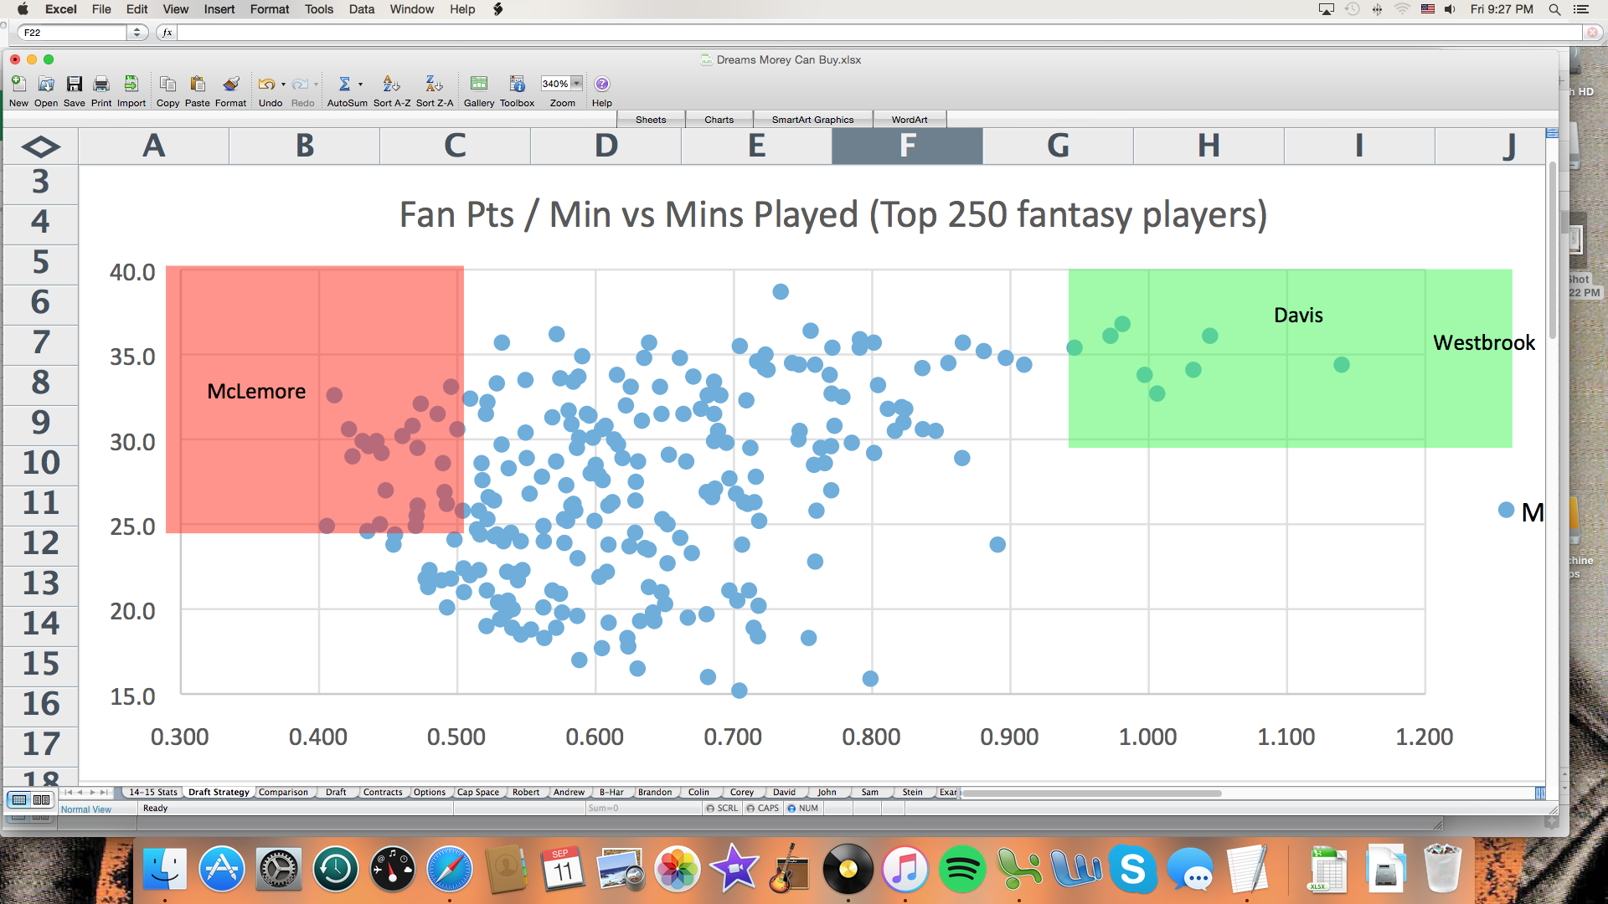

This chart shows fantasy points per minutes versus minutes played per game (multiplying the two will get you
fantasy points per game). The best players are high efficiency, high volume players shown the green sector.
The least valuable players are low efficiency, high volume players shown in the red sector.

2. Contracts matter.

This is a keeper league. You "own" the player through the duration of his contract. When the player's contract
is expired, the player goes into the next year's draft unless he is a restricted free agent. If he is a restricted free
agent, you have the option to keep him based on his next contract.
Is long term security more important than production this season? Will players on short-term contracts be undervalued?
undervalued? Could cap space in the next year's draft allow you to improve your team more than others? This is what
we must evaluate.

3. Flexibility and balance matter.

In each game, you will have a total 96 guard mins, 96 forward mins, and 48 center minutes distributed amongst
your team. You should build your roster so that you have depth at each position to account for these minutes.
Players with multiple positions (GF, FC) are more valuable because of the flexibility it allows in your depth chart.
You may not lobby to have a position changed for any player.

4. Build a strategy

Are you a win-now team? Are you up for paying the tax next season? Do you want to build around young players?
Do you want cap flexibility?
Consider both the short-term and long-term when drafting.

